Gameboard
Game board
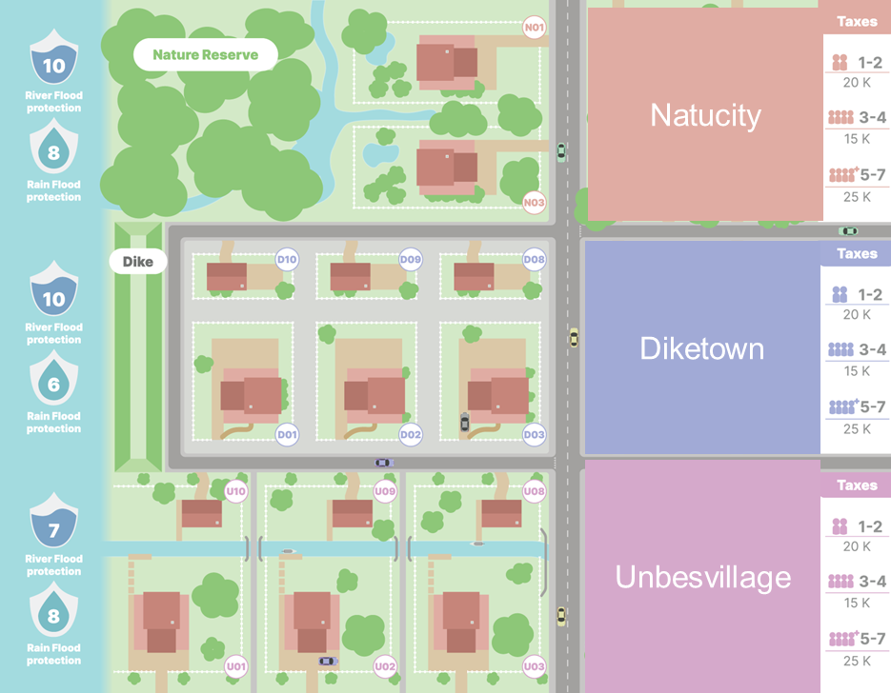
Address | Board X | Board Y
U10 | 1 | 0.8
U04 | 4 | 0
U01 | 1 | 0
D10 | 1 | 1.8
D04 | 4 | 1.2
D01 | 1 | 1.2
D05 | 5 | 1.2
N07 | 3.5 | 2.2
N04 | 5 | 2.8
N01 | 3 | 2.8
U09 | 2 | 0.8
U05 | 5 | 0
D09 | 2 | 1.8
D02 | 2 | 1.2
N05 | 5 | 2.2
U06 | 5 | 0.8
U02 | 2 | 0
D06 | 5 | 1.8
D03 | 3 | 1.2
N06 | 4 | 2.2
U08 | 3 | 0.8
U03 | 3 | 0
D08 | 3 | 1.8
N03 | 3 | 2.2
D07 | 4 | 1.8
N02 | 4 | 2.8
U07 | 4 | 0.8

